Swaption Pricer
Legend |  |  |  |  |  |  |  |  |  | Fixed Leg PV @ Expiry |  |  | (7,634,631) |  |  |  |  |  |  |  |  | Fixed Leg PV @ Expiry |  |  | 9,588,660
User input |  |  |  |  |  |  |  |  |  | Fixed Leg PV & Curve Date |  |  | (7,334,044) |  |  |  |  |  |  |  |  | Fixed Leg PV & Curve Date |  |  | 9,211,140
Everything else, edit at own risk.
 |  |  |  |  |  | ANFixed |  |  |  |  | Fixed Leg Payoff |  |  | ANFloat |  |  |  |  | Float Leg Payoff
Contractual Definitions |  |  | Black76 Pricing (Log-Normal Volatility) |  |  | Period Start | Period End | Pay Date | Period Years | DF | Fixed Rate | CF | PV | Period Start | Period End | Pay Date | Period Years | DF | DF(T1) | DF(T2) | Forward Rate | Spread | Cpn | CF | PV
Mandatory Contractual Inputs | Value | Units | Field | Value | Units | 2-Jul-25 | 2-Jul-26 | 7-Jul-26 | 1.0139 | 0.9223 | 4.0000% | 4,055,556 | 3,740,334 | 2-Jul-25 | 2-Jul-26 | 7-Jul-26 | 1.0139 | 0.9223 | 0.9604 | 0.9228 | 4.0233% | 1.0000% | 5.0233% | 5,093,085 | 4,697,221
Strike, K | 4.00000 | [%] | Lognormal shift | 2.00% |  | 2-Jul-26 | 2-Jul-27 | 7-Jul-27 | 1.0139 | 0.8861 | 4.0000% | 4,055,556 | 3,593,710 | 2-Jul-26 | 2-Jul-27 | 7-Jul-27 | 1.0139 | 0.8861 | 0.9228 | 0.8866 | 4.0242% | 1.0000% | 5.0242% | 5,094,025 | 4,513,919
Floating spread (bps) | 100.0 | [bps] | F (adj for lognormal shift) | 6.0000%
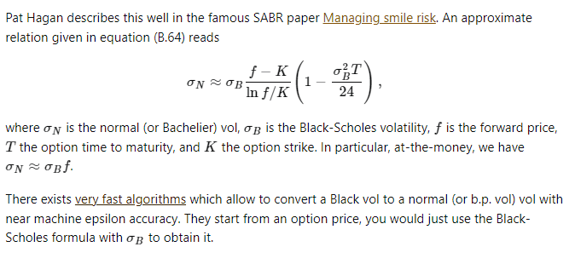
Notional Amount | $100,000,000 | [$] | K' (adj for lognormal shift and spread) | 5.0000%
Expiry Date | 30-Jun-25 | [Date] | σSLN | 25.00%
Swap Maturity Date | 2-Jul-27 | [Date] | d1 | 0.84851
Fixed Leg Frequency | A |  | d2 | 0.59609
Floating Leg Frequency | A |  | Black76 Forward Price | 1.1893%
Day Count Basis Index Fixed | 2 | {0,1,2,3} | Swaption Unit Price | 2.1806%
Day Count Basis Index Float | 2 | {0,1,2,3} | Swaption Value | $2,180,638 | [$]
Buy/Sell perspective | Buy |  | Delta | -19.81%
Payer/Receiver perspective | Payer |  |  | (19,807,780) | [$]
 |  |  | Analytical (forward) Vega | 3.092%
Non Mandatory Contractual Inputs | Value | Units | Valuation Vega normalised to 1% | 30,916 | [$]
Stub Type (optional)
1st Coupon End Date (optional) |  | [Date] | Bachelier Pricing (Normal Volatility)
Last Coupon Start Date (optional) |  | [Date] | Field | Value | Units
 |  |  | σN | 1.3000%
Market Data | Value | Units | d_Bachelier | 0.761859462
Par Forward Rate, F | 4.00000 | [%] | Bachelier Forward Price | 1.1687%
K-K' = Spread(A_Float / A_Fixed)
K(1-adj) x A_Fixed = A_Float * Spread
For par swap:
K * A_Fixed = F * A_Float
where K is the par/atmf fixed rate and F is the forward rate term structure
Hence if spread is on the float
(K+Adj) * A_Fixed = (F+S) * A_Float
K+Adj = (F+S) * A_Float / A_Fixed
Black76 Volatility (per the log-normal shift) | 25.00 | [%] | Swaption Unit Price | 2.1428%
Lognormal Shift | 2.00 | [%] | Swaption Value | 2,142,763 | [$]
Normal volatility | 130.00 | [bps] | Analytical (forward) Vega | 30.134%
 |  |  | Valuation Normal Vega normalised to 1 bp | 5,525 | [$]
Pricing helper fields
Field | Value | Units
K | 4.0000%
K, adjusted for floating spread | 3.0000%
F | 4.0000%
ANFixed | 1.8335
ANFloat | 1.8335
Buy/Sell flag | 1 | {1,-1}
Swap Start Date | 2-Jul-25
tau | 1.01944 | [years]
Call/put flag | 1 | {1,-1}
Discount factor at expiry date | 0.9606
Vanilla Swap NPV (at expiry) | 1,954,029 | [$]
Vanilla Swap NPV (at curve date) | 1,877,096 | [$]
Normal vol. implied by Lognormal vol. | 149.60 | [bps]

Methodology
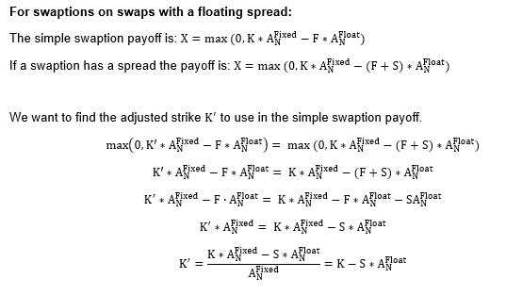
General valuation assumptions (made for simplicity)
- The swaptions are priced with the Black76 / Bacheliers formulae.
- Inadvance fixing with a nil (0) fixing offset
- In arrears payments
- Forward rates calculated per a simple interest rate methodology.
Note, for simple interest forward rates are equivalent to daily compounded rates (applicable for RFRs)

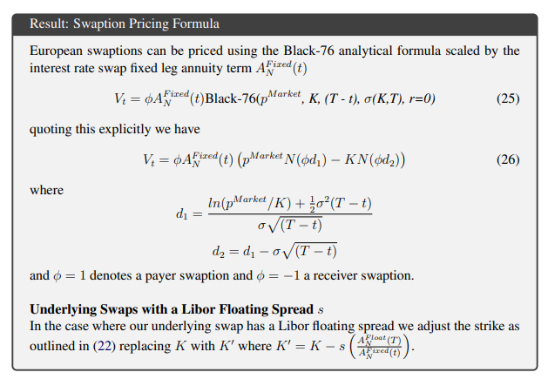
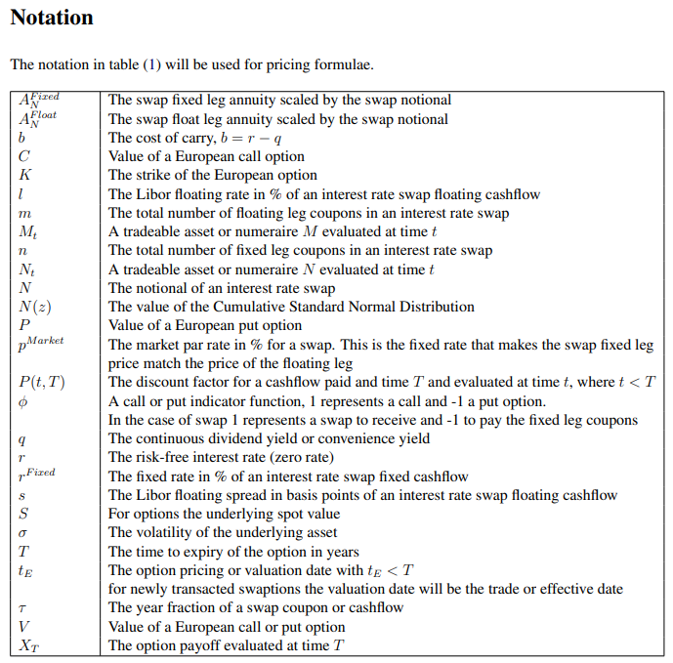
Burgess, Nicholas, Interest Rate Swaptions - A Review & Derivation of Swaption Pricing Formulae (February 4, 2018).
Journal of Economics and Financial Analysis, Vol:2, No:2 (2018) 87-103
Available at SSRN: https://ssrn.com/abstract=3095336 or http://dx.doi.org/10.2139/ssrn.3095336
https://quant.stackexchange.com/questions/58564/normal-vs-log-normal-implied-volatility

